grain size analysis
* grain-size distribution of bed material (2006) _ BM-54
 | Passing Percentage (%)
체 크기 sieve size (mm) | 16 | 8 | 4 | 2 | 1 | 0.5 | 0.25 | 0.125 | 0.0625 | Pan
평균 (mean) | 94.8 | 92.8 | 91.8 | 89.4 | 81.7 | 43.7 | 6.9 | 1.7 | 0.6 | 0

* grain-size distribution of bed material (2007) _ BM-54
 | Passing Percentage (%) |  |  |  |  |  |  |  |  |  |  | 2007
체 크기 sieve size (mm) | 16 | 8 | 4 | 2 | 1 | 0.5 | 0.25 | 0.125 | 0.0625 | Pan |  | d50 | 0.33
평균 (mean) | 100 | 96.85 | 94.65 | 93.1 | 90.2 | 81.05 | 35.45 | 14.95 | 6.6 | 4.6 |  | d65 | 0.412
before the flood (2007)
after the flood (2007)
mean
percent passing(%)
particle size (mm)
particle size time | D35(mm) | D50(mm) | D65(mm) | D90(mm) | 균등계수 Coefficient of uniformity (Cu) | 곡률계수 Coefficient of curvature (Cg)
홍수전 (before the flood) | 0.22 | 0.29 | 0.37 | 0.49 | 8.75 | 1.83
홍수후(after the flood ) | 0.48 | 3.14 | 8.23 | 13.78 | 3.00 | 1.24

* grain-size distribution of bed material (2008) _ BM-54, Grab sampler(60L)
 | Passing Percentage (%)
체 크기 sieve size (mm) | 16 | 8 | 4 | 2 | 1 | 0.5 | 0.25 | 0.125 | 0.0625 | Pan
홍수 전 평균 (mean_before the flood) | 100 | 88.2 | 83.4 | 81.2 | 79.5 | 72.7 | 30.8 | 4.6 | 1 | 0.3
홍수 후 평균 (mean_before the flood) | 100 | 100 | 99.6 | 99 | 97.8 | 89.9 | 31.5 | 2.5 | 0.4 | 0.1
before the flood (2008)
after the flood (2008)
mean
percent passing(%)
particle size (mm)
particle size time | D35(mm) | D50(mm) | D65(mm) | D90(mm) | 균등계수 Coefficient of uniformity (Cu) | 곡률계수 Coefficient of curvature (Cg)
홍수전 (before the flood) | 0.33 | 0.39 | 0.46 | 0.84 | 2.63 | 0.72
홍수후(after the flood ) | 0.30 | 0.37 | 0.46 | 5.42 | 2.10 | 1.04

before the flood (2009)
after the flood (2009)
mean
percent passing(%)
particle size (mm)
* grain-size distribution of bed material (2009) _ Grab sampler(60L)
particle size time | D35(mm) | D50(mm) | D65(mm) | D90(mm) | 균등계수 Coefficient of uniformity (Cu) | 곡률계수 Coefficient of curvature (Cg)
홍수전 (before the flood) | 0.63 | 0.72 | 0.85 | 1.60 | 2.35 | 0.99
홍수후(after the flood ) | 0.54 | 0.70 | 0.89 | 1.95 | 3.46 | 0.93

before the flood (2010)
after the flood (2010)
mean
percent passing(%)
particle size (mm)
* grain-size distribution of bed material (2010) _ Grab sampler(60L)
particle size time | D35(mm) | D50(mm) | D65(mm) | D90(mm) | 균등계수 Coefficient of uniformity (Cu) | 곡률계수 Coefficient of curvature (Cg)
평군 (mean) | 0.64 | 0.81 | 0.98 | 1.60 | 2.95 | 1.19

before the flood (2011)
after the flood (2011)
mean
percent passing(%)
particle size (mm)
* grain-size distribution of bed material (2011) _ grid sampling(Hack_1947)
particle size time | D35(mm) | D50(mm) | D65(mm) | D90(mm) | 균등계수 Coefficient of uniformity (Cu) | 곡률계수 Coefficient of curvature (Cg)
평군 (mean) | 0.40 | 0.56 | 0.76 | 1.10 | 4.67 | 1.20

* grain-size distribution of bed material (2012) _ grid sampling(Hack_1947)

* particle size distribution of suspended sediment (2012) |  |  |  |  |  |  |  |  |  |  | * grain-size distribution of bed material (2012)

No | particle size distribution of suspended sediment (%) |  |  |  |  |  |  |  |  |  | particle size time | D10 | D30 | D35 | D60 | D65 | 균등계수 Coefficient of uniformity (Cu) | 곡률계수 Coefficient of curvature (Cg)
 | range (mm) |  |  |  |  |  |  |  | sum |  | 홍수전 (before the flood) | 0.16 | 0.32 | 0.35 | 0.49 | 0.55 | 1.51 | 1.36
 | 0.0020~ | 0.0222~ | 0.0313~ | 0.0423~ | 0.0626~ | 0.1251~ | 0.2501~ | 0.5001~ |  |  | 홍수후(after the flood ) | 0.07 | 0.12 | 0.13 | 0.18 | 0.19 | 1.52 | 1.09
 | 0.0221 | 0.0312 | 0.0422 | 0.0625 | 0.125 | 0.25 | 0.5 | 1 |  |  | 평균 (mean) | 0.08 | 0.16 | 0.16 | 0.29 | 0.33 | 1.79 | 1.11
1 | 48.7 | 10.6 | 20.2 | 10.6 | 8.8 | 0.6 | 0.3 | 0.2 | 100 |  | particle size time | D5 | D10 | D15 | D20 | D25 | D30 | D35 | D40 | D45 | D50 | D55 | D60 | D65 | D70 | D75 | D80 | D85 | D90 | D95 | D100
2 | 48.6 | 13.1 | 19.6 | 10.1 | 6.3 | 0.9 | 1.3 | 0.1 | 100 |  | 홍수전 (before the flood) | 0.10 | 0.16 | 0.22 | 0.25 | 0.29 | 0.32 | 0.35 | 0.34 | 0.40 | 0.43 | 0.46 | 0.49 | 0.55 | 0.61 | 0.66 | 0.72 | 0.79 | 0.87 | 0.96 | 8.00
3 | 50.6 | 8.9 | 18.8 | 10.7 | 10.9 | 0.1 | 0 | 0 | 100 |  | 홍수후 (after the flood ) | 0.05 | 0.07 | 0.09 | 0.10 | 0.11 | 0.12 | 0.13 | 0.15 | 0.15 | 0.17 | 0.17 | 0.18 | 0.19 | 0.20 | 0.21 | 0.22 | 0.23 | 0.24 | 0.29 | 16.00
4 | 45.4 | 14.3 | 21.7 | 10.2 | 8 | 0.3 | 0.1 | 0 | 100 |  | 평균 (mean) | 0.06 | 0.08 | 0.11 | 0.13 | 0.15 | 0.16 | 0.16 | 0.17 | 0.21 | 0.23 | 0.25 | 0.29 | 0.33 | 0.40 | 0.46 | 0.55 | 0.66 | 0.79 | 0.95 | 16.00
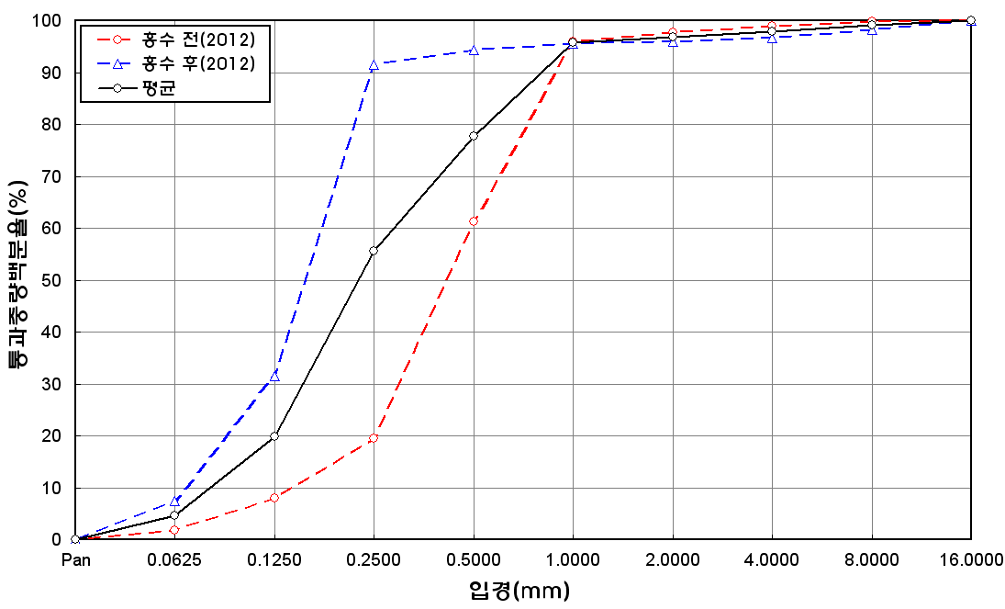
before the flood (2012)
after the flood (2012)
mean
percent passing(%)
particle size (mm)
5 | 45.9 | 11.5 | 20.6 | 13.5 | 7.6 | 0.3 | 0.4 | 0.2 | 100
6 | 51.4 | 14.3 | 22.3 | 8.4 | 3.3 | 0.2 | 0.1 | 0 | 100
7 | 46.2 | 16.6 | 22.5 | 10.8 | 3.5 | 0.2 | 0.1 | 0.1 | 100
8 | 44.9 | 12.7 | 20.5 | 11.7 | 7.7 | 1.2 | 1 | 0.3 | 100
9 | 44.6 | 12.7 | 18.9 | 11.2 | 10.4 | 1.7 | 0.4 | 0.1 | 100
10 | 46.6 | 10.9 | 18.4 | 11.3 | 10.9 | 1 | 0.9 | 0 | 100
11 | 54.7 | 10.6 | 18.1 | 8.9 | 6.6 | 0.7 | 0.3 | 0.1 | 100
12 | 46.1 | 11.6 | 18.3 | 11.5 | 11.5 | 0.4 | 0.6 | 0 | 100
13 | 46.9 | 11.7 | 16.9 | 12.8 | 10.5 | 1.2 | 0 | 0 | 100
14 | 45.3 | 10.8 | 19.6 | 10.7 | 10.3 | 1.9 | 1.1 | 0.3 | 100
15 | 46.8 | 13.2 | 22.5 | 11.7 | 5.6 | 0 | 0.2 | 0 | 100
min | 44.6 | 8.9 | 16.9 | 8.4 | 3.3 | 0 | 0 | 0 | -
max | 54.7 | 16.6 | 22.5 | 13.5 | 11.5 | 1.9 | 1.3 | 0.3 | -
mean | 47.5 | 12.2 | 19.9 | 10.9 | 8.1 | 0.7 | 0.5 | 0.1 | 100

* grain-size distribution of bed material (2013) _ grid sampling(Hack_1947)

* particle size distribution of suspended sediment (2013)_Laser Diffraction |  |  |  |  |  |  |  |  |  |  | * grain-size distribution of bed material (2013)_Sieve

No | particle size distribution of suspended sediment (%) |  |  |  |  |  |  |  |  |  | particle size time | D10 | D30 | D35 | D60 | D65 | 균등계수 Coefficient of uniformity (Cu) | 곡률계수 Coefficient of curvature (Cg)
 | range (mm) |  |  |  |  |  |  |  |  |  | 홍수전 (before the flood) | 0.23 | 0.62 | 0.70 | 1.70 | 2.81 | 7.42 | 1.00
 | 0.0020~ | 0.063~ | 0.126~ | 0.26~ | 0.51~ | 1.1~ | 2.1~ | 4.1~ |  |  | 홍수후(after the flood ) | 0.19 | 0.46 | 0.54 | 2.36 | 4.17 | 12.69 | 0.48
 | 0.062 | 0.125 | 0.25 | 0.5 | 1 | 2 | 4 | 8 |  |  | 평균 (mean) | 0.21 | 0.54 | 0.62 | 2.03 | 3.49 | 10.05 | 0.74
1 | 84.59 | 9.88 | 1.87 | 0.01 | 0.34 | 2.42 | 0.9 | 0 |  |  | particle size time | D5 | D10 | D15 | D20 | D25 | D30 | D35 | D40 | D45 | D50 | D55 | D60 | D65 | D70 | D75 | D80 | D85 | D90 | D95 | D100
2 | 79.64 | 9.41 | 1.91 | 0.12 | 1.99 | 5.05 | 1.88 | 0 |  |  | 홍수전 (before the flood) | 0.15 | 0.23 | 0.34 | 0.46 | 0.56 | 0.62 | 0.70 | 0.77 | 0.84 | 0.93 | 0.99 | 1.70 | 2.81 | 4.28 | 6.67 | 8.70 | 10.64 | 12.35 | 14.18 | 16.00
3 | 88.75 | 9.41 | 1.83 | 0.01 | 0 | 0 | 0 | 0 |  |  | 홍수후 (after the flood ) | 0.12 | 0.19 | 0.25 | 0.32 | 0.39 | 0.46 | 0.54 | 0.66 | 0.80 | 0.93 | 1.32 | 2.36 | 4.17 | 7.23 | 8.53 | 9.99 | 11.45 | 13.05 | 14.46 | 16.00
4 | 82.7 | 10.94 | 3.66 | 0.34 | 0.82 | 1.03 | 0.5 | 0 |  |  | 평균 (mean) | 0.14 | 0.21 | 0.30 | 0.39 | 0.47 | 0.54 | 0.62 | 0.71 | 0.82 | 0.93 | 1.16 | 2.03 | 3.49 | 5.75 | 7.60 | 9.35 | 11.05 | 12.70 | 14.32 | 16.00
5 | 86.44 | 9.75 | 2.11 | 0.17 | 0.31 | 0.76 | 0.45 | 0
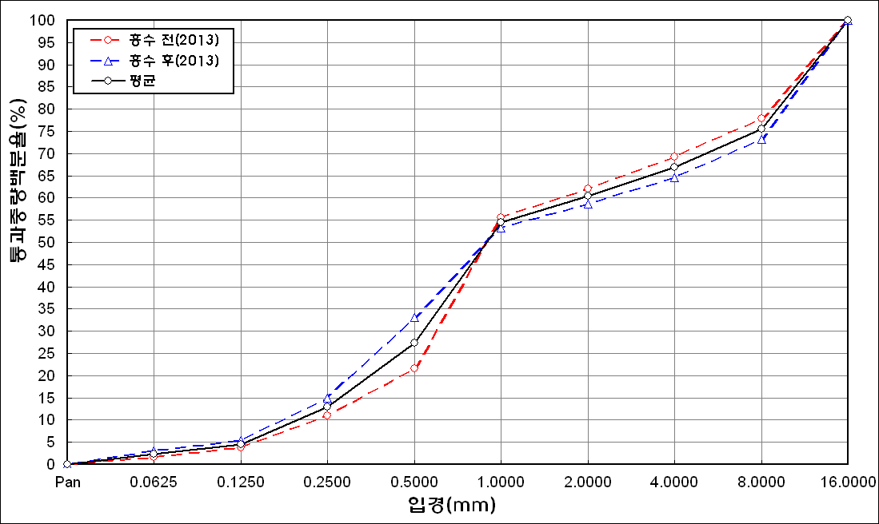
before the flood (2013)
after the flood (2013)
mean
percent passing(%)
particle size (mm)
6 | 89.05 | 8.01 | 1.59 | 0.22 | 0.34 | 0.6 | 0.2 | 0
7 | 89 | 7.62 | 2.78 | 0.39 | 0.19 | 0 | 0 | 0
8 | 88.72 | 8.38 | 2.55 | 0.07 | 0.02 | 0.14 | 0.1 | 0
9 | 88.2 | 9.46 | 2.31 | 0.05 | 0 | 0 | 0 | 0
10 | 87.52 | 10.2 | 2.28 | 0.01 | 0 | 0 | 0 | 0
11 | 87.97 | 10.14 | 1.89 | 0 | 0 | 0 | 0 | 0
12 | 90.02 | 8.58 | 1.33 | 0.07 | 0 | 0 | 0 | 0
13 | 90.77 | 7.39 | 1.32 | 0.02 | 0.05 | 0.3 | 0.14 | 0
14 | 92.82 | 5.2 | 0.84 | 0.06 | 0.01 | 0 | 0 | 0
15 | 89.89 | 7.14 | 1.95 | 0.11 | 0.02 | 0 | 0 | 0
16 | 89.37 | 7.06 | 1.75 | 0.37 | 0.28 | 0.17 | 0.08 | 0
17 | 90.27 | 6.49 | 1.83 | 0.42 | 0.05 | 0 | 0 | 0
mean | 87.98 | 8.53 | 1.99 | 0.14 | 0.26 | 0.62 | 0.25 | 0

* grain-size distribution of bed material (2014) _ grid sampling(Hack_1947)

* particle size distribution of suspended sediment (2014)_Laser Diffraction
 |  |  |  |  |  |  |  |  |  |  | * grain-size distribution of bed material (2014)_Sieve
No | particle size distribution of suspended sediment (%)
 | range (mm) |  |  |  |  |  |  |  |  |  | particle size time | D10 | D30 | D35 | D60 | D65 | 균등계수 Coefficient of uniformity (Cu) | 곡률계수 Coefficient of curvature (Cg)
 | 0.0020~ | 0.063~ | 0.126~ | 0.26~ | 0.51~ | 1.1~ | 2.1~ | 4.1~ |  |  | 홍수전 (before the flood) | 0.15 | 1.31 | 2.00 | 14.66 | 17.50 | 97.73 | 0.78
 | 0.062 | 0.125 | 0.25 | 0.5 | 1 | 2 | 4 | 8 |  |  | 홍수후(after the flood ) | 0.31 | 1.53 | 4.00 | 20.46 | 23.72 | 66.00 | 0.37
1 | 66.88 | 15.48 | 10.2 | 4.28 | 0.95 | 0.65 | 0.32 | 0 |  |  | 평균 (mean) | 0.23 | 1.42 | 3.00 | 17.56 | 20.61 | 76.35 | 0.50
2 | 60.96 | 21.5 | 11 | 1.49 | 0.5 | 2.38 | 1.46 | 0 |  |  | particle size time | D5 | D10 | D15 | D20 | D25 | D30 | D35 | D40 | D45 | D50 | D55 | D60 | D65 | D70 | D75 | D80 | D85 | D90 | D95 | D100
3 | 74.58 | 17.33 | 7.09 | 0.25 | 0 | 0 | 0 | 0 |  |  | 홍수전 (before the flood) | 0.30 | 0.15 | 0.65 | 0.84 | 1.02 | 1.31 | 2.00 | 4.00 | 6.67 | 9.33 | 12.44 | 14.66 | 17.50 | 21.08 | 24.83 | 29.27 | 35.25 | 41.25 | 53.00 | 75.00
4 | 57.17 | 22.76 | 15.63 | 3.34 | 0.41 | 0.21 | 0.06 | 0 |  |  | 홍수후 (after the flood ) | 0.17 | 0.31 | 0.46 | 0.70 | 1.00 | 1.53 | 4.00 | 7.34 | 10.28 | 13.18 | 16.57 | 20.46 | 23.72 | 26.93 | 30.34 | 33.57 | 37.87 | 41.88 | 48.05 | 63.00
5 | 87.55 | 5.72 | 3.06 | 0.5 | 0.1 | 0.47 | 0.32 | 0 |  |  | 평균 (mean) | 0.24 | 0.23 | 0.56 | 0.77 | 1.01 | 1.42 | 3.00 | 5.67 | 8.48 | 11.26 | 14.51 | 17.56 | 20.61 | 24.01 | 27.59 | 31.42 | 36.56 | 41.57 | 50.53 | 69.00
before the flood (2014)
after the flood (2014)
mean
percent passing(%)
particle size (mm)
6 | 84.63 | 8.29 | 4.38 | 0.73 | 0.02 | 0 | 0 | 0
7 | 81.28 | 11.1 | 5.38 | 0.58 | 0 | 0 | 0 | 0
8 | 84.96 | 9.3 | 3.69 | 0.11 | 0 | 0 | 0 | 0
9 | 84.15 | 9.08 | 4.41 | 0.08 | 0 | 0 | 0 | 0
10 | 80.9 | 10.04 | 6.51 | 0.98 | 0.01 | 0 | 0 | 0
11 | 77.23 | 10.31 | 7.24 | 3.66 | 0.25 | 0 | 0 | 0
12 | 77.75 | 11.31 | 7.02 | 2.37 | 0.07 | 0 | 0 | 0
13 | 76.19 | 12.02 | 8.06 | 2.02 | 0.07 | 0 | 0 | 0
14 | 75.33 | 13.2 | 7.51 | 2.44 | 0.13 | 0 | 0 | 0
15 | 80.02 | 9.81 | 6.4 | 1.47 | 0.03 | 0 | 0 | 0
16 | 80.34 | 8.99 | 6.21 | 1.58 | 0.02 | 0 | 0 | 0
17 | 80.59 | 10.94 | 5.22 | 0.93 | 0.14 | 0 | 0 | 0
18 | 86.66 | 5.18 | 2.87 | 0.93 | 0.09 | 0 | 0 | 0
19 | 86.06 | 6.64 | 3.35 | 0.79 | 0.05 | 0 | 0 | 0
20 | 83.88 | 8.21 | 4.71 | 0.49 | 0 | 0 | 0 | 0
21 | 84.2 | 6.36 | 4.74 | 1.95 | 0.01 | 0 | 0 | 0
22 | 84.18 | 7.36 | 4.48 | 1.6 | 0.03 | 0 | 0 | 0
23 | 87.15 | 4.96 | 2.38 | 0.55 | 0.05 | 0 | 0 | 0
mean | 77.09 | 12.19 | 7 | 1.58 | 0.16 | 0.22 | 0.13 | 0

